book1
 | 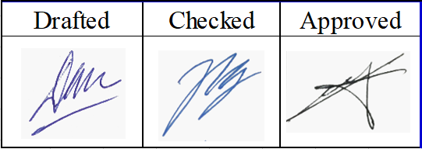 Hosiden's Drawing management Book

No. | Part Name | Drawing No. | Version | Copies | Date (incoming) | Distribution to |  | Copies | Date (distribution) | Sign.
 |  |  |  |  |  | Dept. | Name
1 | Upper housing | HGU0810-26PW | 1A | 1 | 01.04.2022 | QC | Mr. Kim Byoung Kwan | 1 | 04/05/2022
2 | Stand cover | HGU0810-27PW | 1 | 1 | 01.04.2022 | QC | Mr. Kim Byoung Kwan | 1 | 04/05/2022
3 | Paint range Upper housing | HGU0810-26FW | 1 | 1 | 11.04.2022 | QC | Mr. Kim Byoung Kwan | 1 | 04/05/2022
4 | Paint range Stand cover | HGU0810-27FW | 1 | 1 | 11.04.2022 | QC | Mr. Kim Byoung Kwan | 1 | 04/05/2022
5 | Printing Stand cover | HGU0810-27MW | 1 | 1 | 11.04.2022 | QC | Mr. Kim Byoung Kwan | 1 | 04/05/2022
6 | Upper housing | HGU0810-26PW | 1B | 1 | 14.06.2022 | QC | Mr. Kim Byoung Kwan | 1 | 15/06/2022

